MAKE YOUR COPY
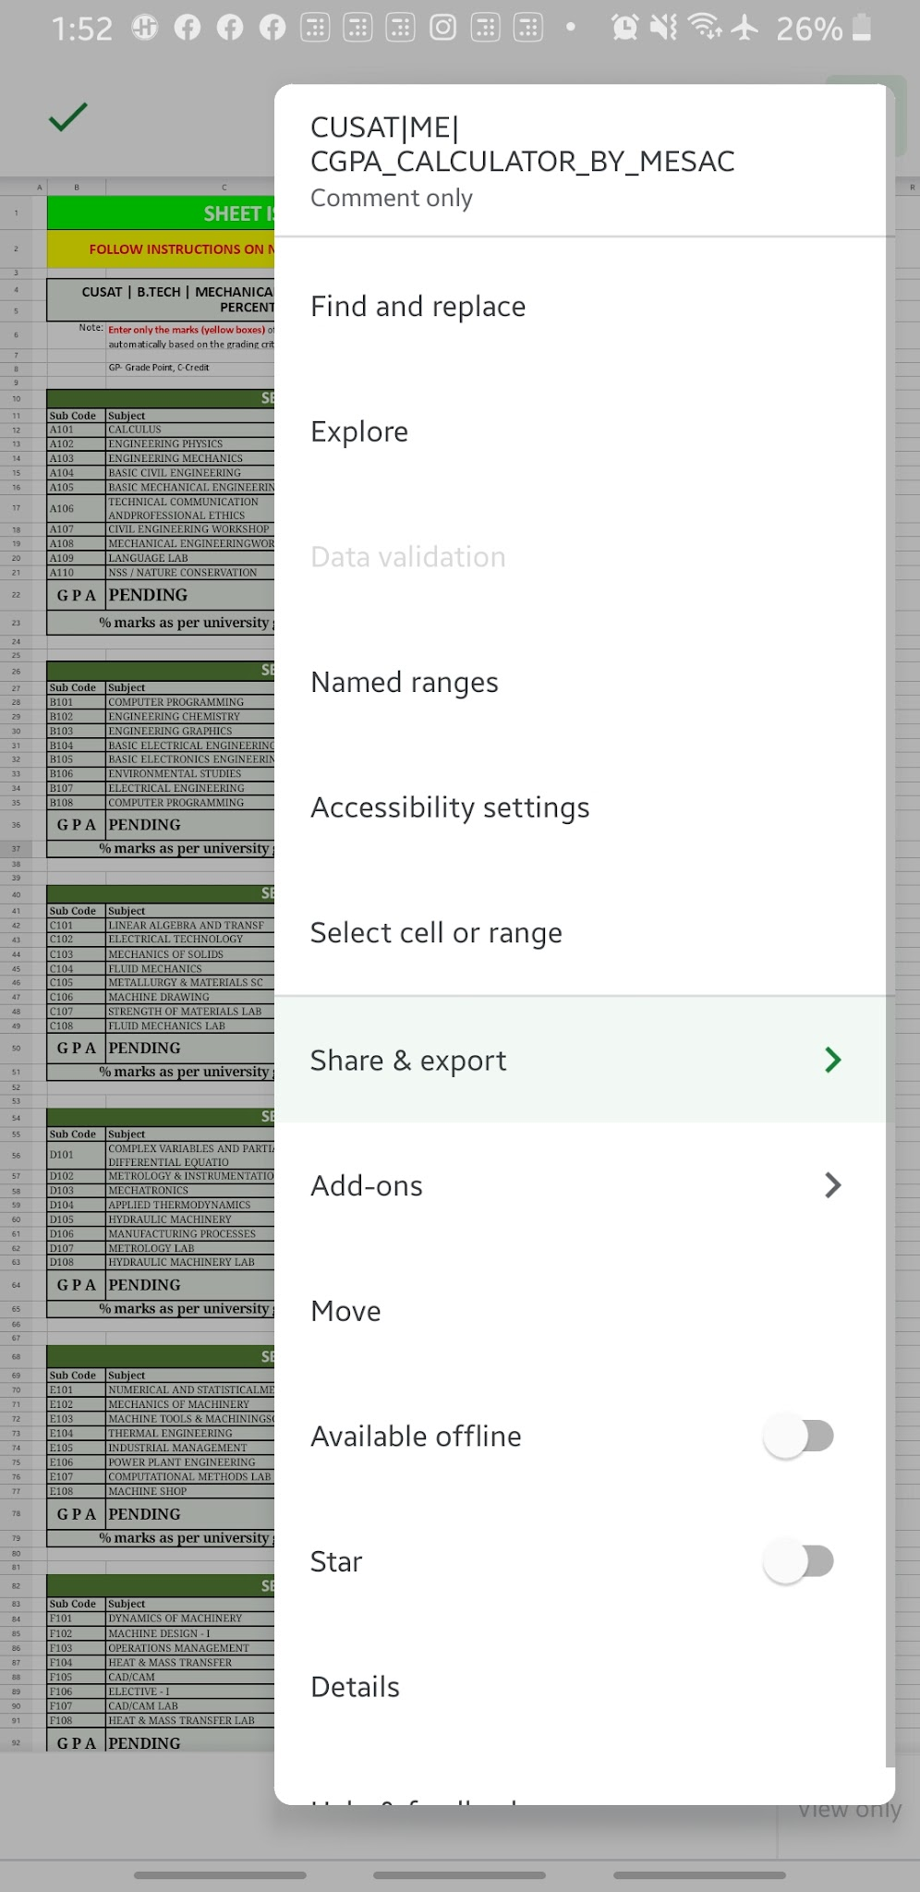

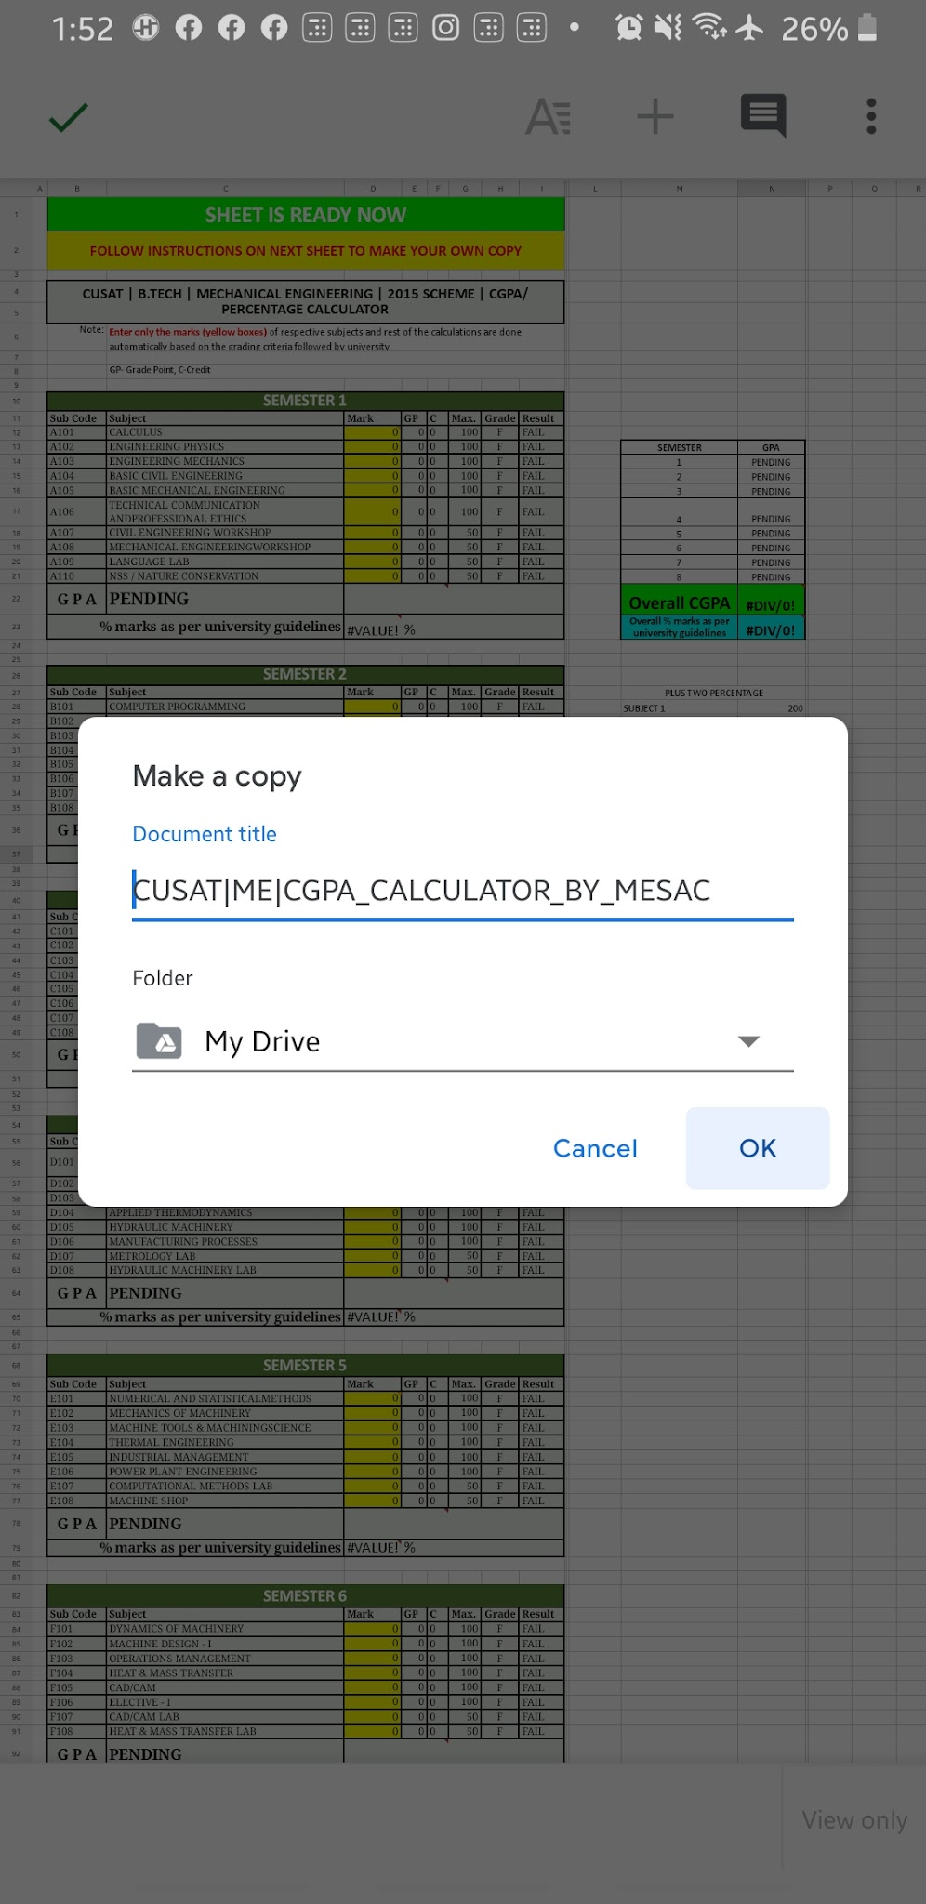
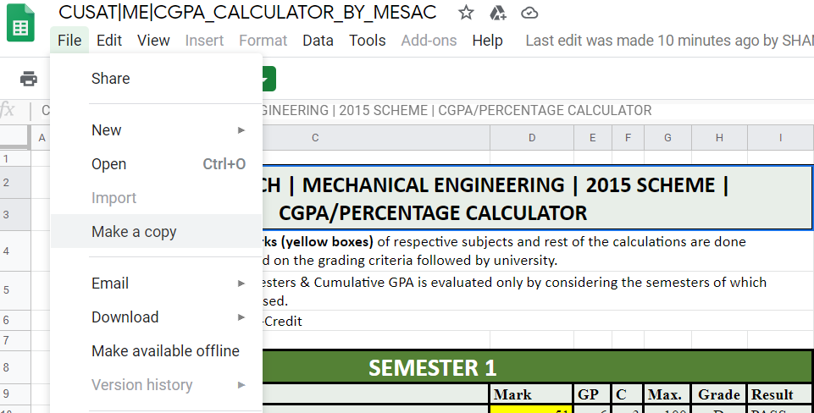
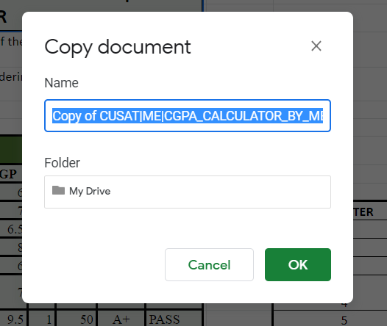

For Mobile Users

P Test on Air Blower
<-- Back to Index
 | Performance Test on Air Blower

 | OBSERVATIONS AND CALCULATIONS

 | Sl. No. | Valve Position | Pitot Tube 1 |  |  | Venturi meter |  |  | Time for 5 rev of Energy meter disc (s) | Speed N (rpm) | Hsta (m of air) | Hf (m of air) | Htot (m of air)
 |  |  | h1 (cm) | h2 (cm) | hstatic (mm) | h1 (cm) | h2 (cm) | hf (mm)
0.125 | 1 | 2020-01-08 | 38.3 | 38.0 | 3.0 | 19.2 | 19.1 | 1.0 | 131.16 | 2620 | 2.449 | 0.816 | 3.265
0.25 | 2 | 2020-02-08 | 38.6 | 38.4 | 2.0 | 19.3 | 18.2 | 11.0 | 109.65 | 2610 | 1.633 | 8.980 | 10.612
0.375 | 3 | 2020-03-08 | 39.0 | 39.5 | 5.0 | 20.7 | 17.5 | 32.0 | 97.22 | 2600 | 4.082 | 26.122 | 30.204
0.5 | 4 | 2020-04-08 | 39.2 | 38.0 | 12.0 | 23.0 | 15.1 | 79.0 | 76.47 | 2578 | 9.796 | 64.490 | 74.286
0.625 | 5 | 2020-05-08 | 39.3 | 37.7 | 16.0 | 26.1 | 12.1 | 140.0 | 69.72 | 2567 | 13.061 | 114.286 | 127.347
0.75 | 6 | 2020-06-08 | 39.6 | 37.5 | 21.0 | 28.0 | 10.0 | 180.0 | 64.00 | 2563 | 17.143 | 146.939 | 164.082
0.875 | 7 | 2020-07-08 | 39.7 | 37.4 | 23.0 | 28.9 | 9.3 | 196.0 | 63.31 | 2558 | 18.776 | 160.000 | 178.776
1 | 8 | 2020-08-08 | 39.8 | 37.3 | 25.0 | 29.0 | 9.2 | 198.0 | 63.00 | 2555 | 20.408 | 161.633 | 182.041

 | Sl. No. | Blower Input Power IPb (kW) | Blower OUTPUT Power P (kW) | Volume Flow Rate Qa (m^3/s) | Motor Input Power IPm (kW) | Overall efficiency ηo (%) | Blower Efficiency ηb (%)
 | 1 | 0.618 | 0.001 | 0.032 | 0.686 | 0.184 | 0.205 |  | K = | 0.008767 | 8.767 | x10^-3
 | 2 | 0.739 | 0.014 | 0.107 | 0.821 | 1.662 | 1.846 |  | A1 = | 0.017671 | 17.671 | x10^-3 m2
 | 3 | 0.833 | 0.066 | 0.183 | 0.926 | 7.153 | 7.947 |  | A2 = | 0.007854 | 7.854 | x10^-4 m3
 | 4 | 1.059 | 0.256 | 0.287 | 1.177 | 21.741 | 24.156
 | 5 | 1.162 | 0.584 | 0.382 | 1.291 | 45.235 | 50.261
 | 6 | 1.266 | 0.853 | 0.433 | 1.406 | 60.665 | 67.406
 | 7 | 1.279 | 0.970 | 0.452 | 1.422 | 68.230 | 75.811
 | 8 | 1.286 | 0.993 | 0.454 | 1.429 | 69.487 | 77.208
 |  |  |  |  | AVG | 34.295 | 38.105

 | CURVES

Valve Position vs Volume Flow Rate Qa (m^3/s)

Valve Position vs Overall efficiency ηo (%)

Valve Position vs Speed N (rpm)

3 CYL 4 STR P
<-- Back to Index
 | LOAD TEST ON THREE CYLINDER 4 STROKE PETROL ENGINE

 | OBSERVATIONS |  |  |  |  |  |  |  |  | CALCULATIONS

 | Sl. No. | Load W (kg) | Speed N (rpm) | Manometer Reading |  |  | Head in m air H (m) | Actual Volume Va (m3/s) | Swept Volume Vs (m3/s) | Sl. No. | Time for 10 cc of fuel collected t (s) | mfc (kg/hr) | Brake Power BP (kW) | sfc (kg/kWhr) | EFFICIENCY
 |  |  |  | h1 (mm) | h2 (mm) | h1-h2 (mm) |  |  |  |  |  |  |  |  | Brake Thermal efficiency ηbth (%) | Volumetric Efficiency ηv (%) | Mechanical Efficiency ηmech (%)
 | 1 | 0 | 2000 | 84 | 79 | 5 | 4.191 | 9.912 | 47.761 | 1 | 29.71 | 0.872 | 0.000 | #DIV/0! | 0.00 | 20.75 | 0.00
 | 2 | 2 | 2000 | 84 | 77 | 7 | 5.868 | 11.729 | 47.761 | 2 | 25.20 | 1.029 | 1.235 | 0.833 | 9.93 | 24.56 | 19.80
 | 3 | 4 | 2000 | 86 | 77 | 9 | 7.544 | 13.299 | 47.761 | 3 | 21.78 | 1.190 | 2.469 | 0.482 | 17.17 | 27.84 | 33.06
 | 4 | 6 | 2000 | 88 | 76 | 12 | 10.059 | 15.356 | 47.761 | 4 | 18.52 | 1.400 | 3.704 | 0.378 | 21.90 | 32.15 | 42.55
 | 5 | 8 | 2000 | 89 | 72 | 17 | 14.250 | 18.278 | 47.761 | 5 | 15.40 | 1.683 | 4.938 | 0.341 | 24.28 | 38.27 | 49.69
 | 6 | 10 | 2000 | 90 | 70 | 20 | 16.764 | 19.825 | 47.761 | 6 | 13.89 | 1.866 | 6.173 | 0.302 | 27.38 | 41.51 | 55.25
 |  |  |  |  |  |  |  |  |  |  |  |  | AVG |  | 16.78 | 30.85 | 33.39

SFC vs BP
 | CURVES |  |  |  |  |  |  |  |  |  | Orifice dia | 25 | mm
 |  |  |  |  |  |  |  |  |  |  | Area of orifice | 0.00049

MFC vs BP

ηmech v/s BP

ηvol v/s BP

ηbth v/s BP

HB of 3 CYL 4 STR P
<-- Back to Index
 | HEAT BALANCE TEST ON THREE CYLINDER 4 STROKE PETROL ENGINE

 | OBSERVATIONS AND CALCULATIONS

 | Sl. No. | Speed N (rpm) | Load Applied |  |  | Flow rate of cooling water to calorimeter (Rt2) cc/s | Flow rate of cooling water to engine jacket (Rt1) cc/s | Thermocouple Reading |  |  |  |  | Time for consuming 10cc fuel ' t ' sec | Brake Power BP (kW)
 |  |  | W (kg) | S (kg) | W-S (kg) |  |  | T1 (deg C) | T2 (deg C) | T3 (deg C) | T4 (deg C) | T5 (deg C)
 | 1 | 2000 | 0 | 0 | 0 | 50.000 | 25.370 | 28 | 34 | 31 | 114 | 101 | 20.94 | 0.000
 | 2 | 2000 | 2 | 0 | 2 | 50.000 | 25.470 | 29 | 35 | 34 | 122 | 109 | 20.42 | 1.235
 | 3 | 2000 | 4 | 0 | 4 | 50.000 | 25.560 | 29 | 36 | 36 | 130 | 116 | 18.56 | 2.469
 | 4 | 2000 | 6 | 0 | 6 | 50.000 | 25.090 | 29 | 36 | 38 | 134 | 119 | 19.08 | 3.704
 | 5 | 2000 | 8 | 0 | 8 | 50.000 | 25.090 | 30 | 37 | 40 | 136 | 122 | 18.44 | 4.938
 | 6 | 2000 | 10 | 0 | 10 | 50.000 | 25.090 | 31 | 37 | 42 | 139 | 124 | 17.8 | 6.173

 | Sl. No. | Brake Power BP (kW) | mfc (kg/hr) | sfc (kg/kWhr) | Heat Input, Qin KJ/min | Heat Equivalent to Brake Power, Qbp | Mass flow Rate, Mw1 | Heat Carried away by cooling water, Qw | Mass flow Rate, Mw2 | Heat Carried away by exhaust gas, Qe | Unaccounted heat / heat due to radiation, Qun
 | 1 | 0.000 | 1.410 | #DIV/0! | 1022.06 | 0.00 | 1.522 | 38.241 | 3.000 | 231.895 | 751.927 |  | Ambient Temperature
 | 2 | 1.235 | 1.446 | 1.171 | 1048.09 | 74.07 | 1.528 | 38.391 | 3.000 | 425.142 | 510.483 |  | Ta | 34
 | 3 | 2.469 | 1.591 | 0.644 | 1153.13 | 148.15 | 1.534 | 44.948 | 3.000 | 602.928 | 357.101
 | 4 | 3.704 | 1.547 | 0.418 | 1121.70 | 222.22 | 1.505 | 44.122 | 3.000 | 753.660 | 101.694
 | 5 | 4.938 | 1.601 | 0.324 | 1160.63 | 296.30 | 1.505 | 44.122 | 3.000 | 915.159 | -94.948
 | 6 | 6.173 | 1.658 | 0.269 | 1202.36 | 370.37 | 1.505 | 37.819 | 3.000 | 967.197 | -173.026

 |  |  |  |  | As per reading 3
 | Sl. No. | Particulars |  |  | Heat Content (KJ/min) |  | % |  |  |  | Set 1 | Set 2 | Set 3 | Set 4 | Set 5 | Set 6
 | 1 | Heat Input, A |  |  | 1153.125 |  | 100.00% |  | Load (Kg) |  | 0 | 2 | 4 | 6 | 8 | 10
 | 2 | Heat of BP, B |  |  | 148.148 |  | 12.85% | B/A | Heat Input, Qin KJ/min |  | 1022.06 | 1048.09 | 1153.13 | 1121.70 | 1160.63 | 1202.36
 | 3 | Heat of cooling water, C |  |  | 44.948 |  | 3.90% | C/A |  |  | 100.00% | 100.00% | 100.00% | 100.00% | 100.00% | 100.00%
 | 4 | Heat of Exhaust gases, D |  |  | 602.928 |  | 52.29% | D/A | Heat Equivalent to Brake Power, Qbp |  | 0.00 | 74.07 | 148.15 | 222.22 | 296.30 | 370.37
 | 5 | Heat Unaccounted, E |  |  | 357.101 |  | 30.97% | E/A |  |  | 0.00% | 7.07% | 12.85% | 19.81% | 25.53% | 30.80%
 |  |  |  |  |  |  |  |  | Heat Carried away by cooling water, Qw |  | 38.241 | 38.391 | 44.948 | 44.122 | 44.122 | 37.819
 |  |  |  |  |  |  |  |  |  |  | 3.74% | 3.66% | 3.90% | 3.93% | 3.80% | 3.15%
 |  |  |  |  |  |  |  |  | Heat Carried away by exhaust gas, Qe |  | 231.895 | 425.142 | 602.928 | 753.660 | 915.159 | 967.197
 |  |  |  |  |  |  |  |  |  |  | 22.69% | 40.56% | 52.29% | 67.19% | 78.85% | 80.44%
 |  |  |  |  |  |  |  |  | Unaccounted heat / heat due to radiation, Qun |  | 751.927 | 510.483 | 357.101 | 101.694 | -94.948 | -173.026
 | CURVE: Load v/s percent heat equivalent |  |  |  |  |  |  |  |  |  | 73.57% | 48.71% | 30.97% | 9.07% | -8.18% | -14.39%

 |  |  |  | Qbp | Qbp+Qw | Qbp+Qw+Qe | Qbp+Qw+Qe+Qun
 |  |  |  | 0.00% | 3.74% | 26.43% | 100.00% | 3.74% | 22.69% | 73.57%
 |  |  |  | 7.07% | 10.73% | 51.29% | 100.00% | 3.66% | 40.56% | 48.71%
 |  |  |  | 12.85% | 16.75% | 69.03% | 100.00% | 3.90% | 52.29% | 30.97%
 |  |  |  | 19.81% | 23.74% | 90.93% | 100.00% | 3.93% | 67.19% | 9.07%
 |  |  |  | 25.53% | 29.33% | 108.18% | 100.00% | 3.80% | 78.85% | -8.18%
 |  |  |  | 30.80% | 33.95% | 114.39% | 100.00% | 3.15% | 80.44% | -14.39%
Load v/s Percent Heat Equivalent

1 CYL 4 STR D
<-- Back to Index
 | PERFORMANCE TEST ON SINGLE CYLINDER 4 STROKE DIESEL ENGINE

 | OBSERVATIONS AND CALCULATIONS

 | Sl. No. | Speed N (rpm) | Load Applied |  |  | Manometer Reading |  |  | Head of air H (m) | Actual Volume Va (m3/s) | Swept Volume Vs (m3/s)
 |  |  | W (kg) | S (kg) | W-S (kg) | h1 (mm) | h2 (mm) | h1-h2 (mm)
 | 1 | 1500 | 0 |  | 0 | 52 | 22 | 30 | 24.490 | 15.363 | 24.881
 | 2 | 1500 | 2 | 0.1 | 1.9 | 52 | 22 | 30 | 24.490 | 15.363 | 24.881
 | 3 | 1500 | 4 | 0.2 | 3.8 | 52 | 22 | 30 | 24.490 | 15.363 | 24.881
 | 4 | 1500 | 6 | 0.3 | 5.7 | 52 | 22 | 30 | 24.490 | 15.363 | 24.881
 | 5 | 1500 | 8 | 0.4 | 7.6 | 52 | 22 | 30 | 24.490 | 15.363 | 24.881
 | 6 | 1500 | 10 | 0.5 | 9.5 | 52 | 22 | 30 | 24.490 | 15.363 | 24.881

 | Sl. No. | Time for 10 cc of fuel collected t (s) | mfc (kg/hr) | sfc (kg/kWhr) | Brake Power BP (kW) | Brake Thermal efficiency ηbth (%) | Volumetric Efficiency ηv (%) | Mechanical Efficiency ηmech (%)
 | 1 | 70.04 | 0.421 | #DIV/0! | 0.000 | 0.000 | 61.743 | 0.000
 | 2 | 60.02 | 0.492 | 0.933 | 0.527 | 8.534 | 61.743 | 15.840
 | 3 | 49.88 | 0.592 | 0.561 | 1.054 | 14.185 | 61.743 | 27.348
 | 4 | 44.88 | 0.658 | 0.416 | 1.581 | 19.144 | 61.743 | 36.088
 | 5 | 40.13 | 0.736 | 0.349 | 2.108 | 22.824 | 61.743 | 42.951
 | 6 | 33.15 | 0.890 | 0.338 | 2.635 | 23.568 | 61.743 | 48.482
 |  |  |  |  | AVG | 14.709 | 61.743 | 28.452

 | CURVES

SFC vs BP

MFC vs BP

ηmech v/s BP

ηvol v/s BP

ηbth v/s BP

HB of 1 CYL 4 STR D
<-- Back to Index
 | HEAT BALANCE TEST ON SINGLE CYLINDER 4 STROKE DIESEL ENGINE

 | OBSERVATIONS AND CALCULATIONS

 | Sl. No. | Speed N (rpm) | Load Applied |  |  | Flow rate of cooling water to engine jacket (Rt1) cc/s | Flow rate of cooling water to caloriemeter |  | Thermocouple Reading |  |  |  |  | Time for consuming 10cc fuel ' t ' sec
 |  |  | W (kg) | S (kg) | W-S (kg) |  | Time for 100 ml sec | (Rt2) cc/s | T1 (deg C) | T2 (deg C) | T3 (deg C) | T4 (deg C) | T5 (deg C)
 | 1 | 1520 | 0 | 0 | 0 | 78.000 | 5.840 | 17.123 | 32 | 37 | 34 | 152 | 120 | 72.9
 | 2 | 1515 | 2 | 0 | 2 | 78.000 | 5.600 | 17.857 | 32 | 38 | 35 | 168 | 134 | 63.2
 | 3 | 1508 | 4 | 0 | 4 | 78.000 | 5.500 | 18.182 | 32 | 39 | 35 | 188 | 149 | 55.5
 | 4 | 1495 | 6 | 0 | 6 | 78.000 | 5.780 | 17.301 | 32 | 40 | 35 | 204 | 161 | 48.3
 | 5 | 1470 | 8 | 0 | 8 | 78.000 | 5.090 | 19.646 | 32 | 41 | 36 | 234 | 187 | 39.6
 | 6 | 1460 | 10 | 0 | 10 | 78.000 | 5.000 | 20.000 | 32 | 42 | 36 | 267 | 214 | 36.7

 | Sl. No. | Brake Power BP (kW) | mfc (kg/hr) | sfc (kg/kWhr) | Heat Input, Qin KJ/min | Heat Equivalent to Brake Power, Qbp | Mass flow Rate, Mw1 | Heat Carried away by cooling water, Qw | Mass flow Rate, Mw2 | Heat Carried away by exhaust gas, Qe | Unaccounted heat / heat due to radiation, Qun
 | 1 | 0.000 | 0.405 | #DIV/0! | 305.05 | 0 | 4.680 | 97.976 | 1.027 | 31.725 | 175.353 |  | Ambient Temperature
 | 2 | 0.560 | 0.467 | 0.834 | 351.87 | 33.62 | 4.680 | 117.571 | 1.071 | 53.041 | 147.644 |  | Ta | 34
 | 3 | 1.115 | 0.532 | 0.477 | 400.69 | 66.92 | 4.680 | 137.166 | 1.091 | 54.109 | 142.493
 | 4 | 1.659 | 0.611 | 0.368 | 460.42 | 99.52 | 4.680 | 156.761 | 1.038 | 51.550 | 152.590
 | 5 | 2.175 | 0.745 | 0.343 | 561.58 | 130.48 | 4.680 | 176.356 | 1.179 | 84.010 | 170.734
 | 6 | 2.700 | 0.804 | 0.298 | 605.95 | 161.98 | 4.680 | 195.952 | 1.200 | 88.354 | 159.661

 | Sl. No. | Particulars |  |  | Heat Content (KJ/min) |  | % |  |  |  | Set 1 | Set 2 | Set 3 | Set 4 | Set 5 | Set 6
 | 1 | Heat Input, A |  |  | 400.692 |  | 100.00% |  | Load (Kg) |  | 0 | 2 | 4 | 6 | 8 | 10
 | 2 | Heat of BP, B |  |  | 66.924 |  | 16.70% | B/A | Heat Input, Qin KJ/min |  | 305.05 | 351.87 | 400.69 | 460.42 | 561.58 | 605.95
 | 3 | Heat of cooling water, C |  |  | 137.166 |  | 34.23% | C/A |  |  | 100.00% | 100.00% | 100.00% | 100.00% | 100.00% | 100.00%
 | 4 | Heat of Exhaust gases, D |  |  | 54.109 |  | 13.50% | D/A | Heat Equivalent to Brake Power, Qbp |  | 0 | 33.62 | 66.92 | 99.52 | 130.48 | 161.98
 | 5 | Heat Unaccounted, E |  |  | 142.493 |  | 35.56% | E/A |  |  | 0.00% | 9.55% | 16.70% | 21.62% | 23.23% | 26.73%
 |  |  |  |  |  |  |  |  | Heat Carried away by cooling water, Qw |  | 97.976 | 117.571 | 137.166 | 156.761 | 176.356 | 195.952
 |  |  |  |  |  |  |  |  |  |  | 32.12% | 33.41% | 34.23% | 34.05% | 31.40% | 32.34%
 |  |  |  |  |  |  |  |  | Heat Carried away by exhaust gas, Qe |  | 31.725 | 53.041 | 54.109 | 51.550 | 84.010 | 88.354
 |  |  |  |  |  |  |  |  |  |  | 10.40% | 15.07% | 13.50% | 11.20% | 14.96% | 14.58%
 |  |  |  |  |  |  |  |  | Unaccounted heat / heat due to radiation, Qun |  | 175.353 | 147.644 | 142.493 | 152.590 | 170.734 | 159.661
 | CURVE: Load v/s percent heat equivalent |  |  |  |  |  |  |  |  |  | 57.48% | 41.96% | 35.56% | 33.14% | 30.40% | 26.35%

 |  |  |  | Qbp | Qbp+Qw | Qbp+Qw+Qe | Qbp+Qw+Qe+Qun
 |  |  |  | 0.00% | 32.12% | 42.52% | 100.00% | 32.12% | 10.40% | 57.48%
 |  |  |  | 9.55% | 42.97% | 58.04% | 100.00% | 33.41% | 15.07% | 41.96%
 |  |  |  | 16.70% | 50.93% | 64.44% | 100.00% | 34.23% | 13.50% | 35.56%
 |  |  |  | 21.62% | 55.66% | 66.86% | 100.00% | 34.05% | 11.20% | 33.14%
 |  |  |  | 23.23% | 54.64% | 69.60% | 100.00% | 31.40% | 14.96% | 30.40%
 |  |  |  | 26.73% | 59.07% | 73.65% | 100.00% | 32.34% | 14.58% | 26.35%
Load v/s Percent Heat Equivalent

4 CYL 4 STR D
<-- Back to Index
 | PERFORMANCE TEST ON FOUR CYLINDER 4 STROKE DIESEL ENGINE

 | OBSERVATIONS AND CALCULATIONS

 | Sl. No. | Load (kW) | Voltage V (V) | Current I (A) | Speed (rpm) | Manometer Reading |  |  | Head of air H (m) | Actual Volume Va (m3/s) | Swept Volume Vs (m3/s) | Time for 10 cc of fuel collected t (s) | mfc (kg/hr) | Brake Power BP (kW) | sfc (kg/kWhr) | EFFICIENCY
 |  |  |  |  |  | h1 (mm) | h2 (mm) | h1-h2 (mm) |  |  |  |  |  |  |  | Brake Thermal efficiency ηbth (%) | Volumetric Efficiency ηv (%) | Mechanical Efficiency ηmech (%)
 | 1 | 0 | 280 | 1 | 2000 | 4 | -4 | 8 | 91.199 | 46.239 | 89.299 | 20 | 1.476 | 0.485 | 3.043 | 2.62 | 51.78 | 16.81
 | 2 | 1.5 | 280 | 1.3 | 2000 | 5 | -5 | 10 | 113.998 | 51.697 | 89.299 | 18 | 1.640 | 0.630 | 2.601 | 3.06 | 57.89 | 20.80
 | 3 | 3 | 280 | 3 | 2000 | 6 | -6 | 12 | 136.798 | 56.632 | 89.299 | 16 | 1.845 | 1.455 | 1.268 | 6.28 | 63.42 | 37.74
 | 4 | 4.5 | 280 | 4.3 | 2000 | 7 | -7 | 14 | 159.598 | 61.169 | 89.299 | 14 | 2.109 | 2.085 | 1.011 | 7.88 | 68.50 | 46.49
 | 5 | 6 | 280 | 5.6 | 2000 | 8 | -8 | 16 | 182.397 | 65.392 | 89.299 | 12 | 2.460 | 2.716 | 0.906 | 8.79 | 73.23 | 53.09
 | 6 | 7.5 | 280 | 6.2 | 2000 | 9 | -9 | 18 | 205.197 | 69.359 | 89.299 | 10 | 2.952 | 3.007 | 0.982 | 8.11 | 77.67 | 55.61
 |  |  |  |  |  |  |  |  |  |  |  |  |  | AVG |  | 6.12 | 65.41 | 38.42

 | CURVES
SFC vs BP

MFC vs BP

ηmech v/s BP

ηvol v/s BP

ηbth v/s BP

HB of 4 CYL 4 STR D
<-- Back to Index
 | HEAT BALANCE TEST ON FOUR CYLINDER 4 STROKE DIESEL ENGINE

 | OBSERVATIONS AND CALCULATIONS

 | Sl. No. | Speed N (rpm) | V (V) | I (A) | Load R (ohm) | Flow rate of cooling water to calorimeter (Rt2) cc/s | Flow rate of cooling water to engine jacket |  | Thermocouple Reading |  |  |  |  | Time for consuming 10cc fuel ' t ' sec | Brake Power BP (kW)
 |  |  |  |  |  |  | Time for 1000 ml sec | (Rt1) cc/s | T1 (deg C) | T2 (deg C) | T3 (deg C) | T4 (deg C) | T5 (deg C)
 | 1 | 2000 | 253.6 | 0.1 | 0 | 50.000 | 25.370 | 39.417 | 28 | 34 | 31 | 114 | 101 | 20.94 | 0.044
 | 2 | 2000 | 262.3 | 1.1 | 1.5 | 50.000 | 25.470 | 39.262 | 29 | 35 | 34 | 122 | 109 | 20.42 | 0.500
 | 3 | 2000 | 242.6 | 2.6 | 3 | 50.000 | 25.560 | 39.124 | 29 | 36 | 36 | 130 | 116 | 18.56 | 1.093
 | 4 | 2000 | 243 | 3.6 | 4.5 | 50.000 | 25.090 | 39.857 | 29 | 36 | 38 | 134 | 119 | 19.08 | 1.515
 | 5 | 2000 | 225.3 | 4.8 | 6 | 50.000 | 25.090 | 39.857 | 30 | 37 | 40 | 136 | 122 | 18.44 | 1.873
 | 6 | 2000 | 211.3 | 5.5 | 7.5 | 50.000 | 25.090 | 39.857 | 31 | 37 | 42 | 139 | 124 | 17.8 | 2.013

 | Sl. No. | Brake Power BP (kW) | mfc (kg/hr) | sfc (kg/kWhr) | Heat Input, Qin KJ/min | Heat Equivalent to Brake Power, Qbp | Mass flow Rate, Mw1 | Heat Carried away by cooling water, Qw | Mass flow Rate, Mw2 | Heat Carried away by exhaust gas, Qe | Unaccounted heat / heat due to radiation, Qun
 | 1 | 0.044 | 1.410 | 32.094 | 1062.01 | 2.64 | 2.365 | 59.413 | 3.000 | 231.895 | 768.061 |  | Ambient Temperature
 | 2 | 0.500 | 1.446 | 2.893 | 1089.05 | 29.98 | 2.356 | 59.180 | 3.000 | 425.142 | 574.743 |  | Ta | 34
 | 3 | 1.093 | 1.591 | 1.456 | 1198.19 | 65.55 | 2.347 | 68.800 | 3.000 | 602.928 | 460.911
 | 4 | 1.515 | 1.547 | 1.021 | 1165.53 | 90.91 | 2.391 | 70.089 | 3.000 | 753.660 | 250.873
 | 5 | 1.873 | 1.601 | 0.855 | 1205.99 | 112.39 | 2.391 | 70.089 | 3.000 | 915.159 | 108.353
 | 6 | 2.013 | 1.658 | 0.824 | 1249.35 | 120.77 | 2.391 | 60.077 | 3.000 | 967.197 | 101.301

 |  |  |  |  | As per reading 3
 | Sl. No. | Particulars |  |  | Heat Content (KJ/min) |  | % |  |  |  | Set 1 | Set 2 | Set 3 | Set 4 | Set 5 | Set 6
 | 1 | Heat Input, A |  |  | 1198.190 |  | 100.00% |  | Load (Kg) |  | 0 | 2 | 4 | 6 | 8 | 10
 | 2 | Heat of BP, B |  |  | 65.551 |  | 5.47% | B/A | Heat Input, Qin KJ/min |  | 1062.01 | 1089.05 | 1198.19 | 1165.53 | 1205.99 | 1249.35
 | 3 | Heat of cooling water, C |  |  | 68.800 |  | 5.74% | C/A |  |  | 100.00% | 100.00% | 100.00% | 100.00% | 100.00% | 100.00%
 | 4 | Heat of Exhaust gases, D |  |  | 602.928 |  | 50.32% | D/A | Heat Equivalent to Brake Power, Qbp |  | 2.64 | 29.98 | 65.55 | 90.91 | 112.39 | 120.77
 | 5 | Heat Unaccounted, E |  |  | 460.911 |  | 38.47% | E/A |  |  | 0.25% | 2.75% | 5.47% | 7.80% | 9.32% | 9.67%
 |  |  |  |  |  |  |  |  | Heat Carried away by cooling water, Qw |  | 59.413 | 59.180 | 68.800 | 70.089 | 70.089 | 60.077
 |  |  |  |  |  |  |  |  |  |  | 5.59% | 5.43% | 5.74% | 6.01% | 5.81% | 4.81%
 |  |  |  |  |  |  |  |  | Heat Carried away by exhaust gas, Qe |  | 231.895 | 425.142 | 602.928 | 753.660 | 915.159 | 967.197
 |  |  |  |  |  |  |  |  |  |  | 21.84% | 39.04% | 50.32% | 64.66% | 75.88% | 77.42%
 |  |  |  |  |  |  |  |  | Unaccounted heat / heat due to radiation, Qun |  | 768.061 | 574.743 | 460.911 | 250.873 | 108.353 | 101.301
 | CURVE: Load v/s percent heat equivalent |  |  |  |  |  |  |  |  |  | 72.32% | 52.77% | 38.47% | 21.52% | 8.98% | 8.11%

 |  |  |  | Qbp | Qbp+Qw | Qbp+Qw+Qe | Qbp+Qw+Qe+Qun
 |  |  |  | 0.25% | 5.84% | 27.68% | 100.00% | 5.59% | 21.84% | 72.32%
 |  |  |  | 2.75% | 8.19% | 47.23% | 100.00% | 5.43% | 39.04% | 52.77%
 |  |  |  | 5.47% | 11.21% | 61.53% | 100.00% | 5.74% | 50.32% | 38.47%
 |  |  |  | 7.80% | 13.81% | 78.48% | 100.00% | 6.01% | 64.66% | 21.52%
 |  |  |  | 9.32% | 15.13% | 91.02% | 100.00% | 5.81% | 75.88% | 8.98%
 |  |  |  | 9.67% | 14.48% | 91.89% | 100.00% | 4.81% | 77.42% | 8.11%
Load v/s Percent Heat Equivalent

P Test on SS Compr
<-- Back to Index
 | PERFORMANCE TEST ON MULTI-STAGE AIR COMPRESSOR

 | OBSERVATIONS |  |  |  |  |  |  |  |  |  |  |  |  |  |  |  | CALCULATIONS

 | Sl. No. | Compressor Speed Nc (rpm) | Inlet Pressure of Compressor P1 (bar) | Outlet Pressure of Compressor, P2 |  | Delivery Pressure |  | Time for 5 pulses of Energy meter disc (s) | Manometer Reading |  |  | T1 (K) | T2 (K) | Motor Speed (rpm) | Load Cell Reading (kg) | Compression Ratio (R) | Sl. No. | Actual Volume of Air Compressed Qa (x10^(-3) m3/s) | Theoretical Volume of Air Compressed Qth (x10^(-3) m3/s) | Isothermal Workdone WD (kW) | Input Power |  | Output Power Motor BPm (kW) | EFFICIENCY
 |  |  |  | Gauge (kg/cm2) | Absolute (bar) | Gauge (kg/cm2) | Absolute (bar) |  | h1 (mm) | h2 (mm) | ha (m of air) |  |  |  |  |  |  |  |  |  | Motor IPm (kW) | Compressor IPc (kW) |  | Iso-thermal efficiency ηiso (%) | Volumetric Efficiency ηv (%) | Overall Efficiency ηo (%)
 | 1 | 796 | 1.013 | 4.5 | 5.426 | 4 | 4.936 | 21.56 | 115 | 108 | 5.414 | 306.4 | 343.0 | 1440 | 4.00 | 5.36 | 1 | 2.007 | 8.336 | 0.367 | 1.304 | 0.899 | 1.124 | 40.81 | 24.08 | 28.14
 | 2 | 796 | 1.013 | 3.5 | 4.445 | 3 | 3.955 | 26 | 116 | 107 | 6.961 | 306.4 | 347.0 | 1448 | 3.80 | 4.39 | 2 | 2.276 | 8.336 | 0.367 | 1.082 | 0.859 | 1.074 | 42.69 | 27.31 | 33.91
 | 3 | 799 | 1.013 | 2.2 | 3.170 | 2 | 2.974 | 27.78 | 116 | 109 | 5.414 | 306.3 | 348.0 | 1453 | 3.60 | 3.13 | 3 | 2.007 | 8.367 | 0.249 | 1.012 | 0.817 | 1.021 | 30.54 | 23.99 | 24.64
 | 4 | 803 | 1.013 | 1.6 | 2.582 | 1 | 1.994 | 29.08 | 117 | 110 | 5.414 | 305.0 | 343.0 | 1454 | 3.40 | 2.55 | 4 | 2.007 | 8.409 | 0.204 | 0.967 | 0.772 | 0.965 | 26.39 | 23.87 | 21.06
 |  |  |  |  |  |  |  |  |  |  |  |  |  |  |  |  |  |  |  |  |  |  | AVG | 35.11 | 24.81 | 26.94
 |  |  |  |  |  |  |  |  |  |  |  |  |  |  |  |  |  |  |  |  |  |  | MAX | 42.69 | 27.31 | 33.91

 | CURVES
DP vs ηvol

DP vs ηiso

P Test on MS Compr
<-- Back to Index
 | PERFORMANCE TEST ON MULTI-STAGE AIR COMPRESSOR

 | OBSERVATIONS |  |  |  |  |  |  |  |  |  |  |  | CALCULATIONS

 | Sl. No. | Compressor Speed W (rom) | Delivery Pressure |  | Time for 1 rev of Energy meter disc (s) | Manometer Reading |  |  | T1 (K) | T2 (K) | Motor Speed (rpm) | Load Cell Reading (kg) | Sl. No. | Actual Volume of Air Compressed Qa (x10^(-3) m3/s) | Theoretical Volume of Air Compressed Qth (x10^(-3) m3/s) | Isothermal Workdone WD (kW) | Input Power |  | Output Power Motor BPm (kW) | EFFICIENCY
 |  |  | Gauge (kg/cm2) | Absolute (bar) |  | h1 (mm) | h2 (mm) | ha (m of air) |  |  |  |  |  |  |  |  | Motor IPm (kW) | Compressor IPc (kW) |  | Iso-thermal efficiency ηiso (%) | Volumetric Efficiency ηv (%) | Overall Efficiency ηo (%)
 | 1 | 722.4 | 1 | 1.994 | 24.78 | 111 | 103 | 6.531 | 310 | 332 | 1470 | 2.10 | 1 | 2.205 | 4.039 | 0.163 | 0.726 | 0.452 | 0.603 | 36.00 | 54.59 | 22.40
 | 2 | 721.7 | 2 | 2.974 | 22.53 | 111 | 102 | 7.347 | 311 | 333 | 1468 | 2.65 | 2 | 2.339 | 4.035 | 0.275 | 0.799 | 0.569 | 0.759 | 48.36 | 57.96 | 34.47
 | 3 | 717.3 | 4 | 4.936 | 19.44 | 110 | 101 | 7.347 | 311 | 335 | 1458 | 2.90 | 3 | 2.339 | 4.010 | 0.405 | 0.926 | 0.619 | 0.825 | 65.42 | 58.31 | 43.73
 | 4 | 712.8 | 6 | 6.897 | 17.47 | 111 | 102 | 7.347 | 312 | 337 | 1453 | 3.10 | 4 | 2.339 | 3.985 | 0.492 | 1.030 | 0.659 | 0.879 | 74.62 | 58.68 | 47.76
 | 5 | 710.9 | 8 | 8.858 | 15.87 | 111 | 102 | 7.347 | 312 | 338 | 1449 | 3.35 | 5 | 2.339 | 3.974 | 0.556 | 1.134 | 0.711 | 0.947 | 78.28 | 58.84 | 49.04
 | 6 | 706.3 | 10 | 10.820 | 14.72 | 111 | 103 | 6.531 | 312 | 340 | 1438 | 3.50 | 6 | 2.205 | 3.949 | 0.573 | 1.223 | 0.737 | 0.982 | 77.74 | 55.84 | 46.84
 |  |  |  |  |  |  |  |  |  |  |  |  |  |  |  |  |  |  | AVG | 63.40 | 57.37 | 40.71
 |  |  |  |  |  |  |  |  |  |  |  |  |  |  |  |  |  |  | MAX | 78.28 | 58.84 | 49.04

 | CURVES
DP vs ηvol

DP vs ηiso

